Pivot Analysis
 | Sum of Total Sales | Sum of Total Stock | Sum of Sale Product Count | Sum of Available Stock |  | Sum of Total Sales | Sum of Total Stock | Sum of Sale Product Count | Sum of Available Stock
 | $205,069,552.04 | 1289463 | 171678 | 1117785 |  | 205069552.04 | 1289463 | $171,678.00 | 1117785

 |  | Top 3 Brands Analysis Based On Product Count

 | Row Labels | Sum of Sale Product Count |  | DELL vs others |  |  |  | HP vs others |  |  | ROKC vs others |  |  | DELL VS HP VS ROKC
 | DELL | 66210 |  |  |  |  |  |  |  |  |  |  |  | Brand | Product Sold | Percentage
 | HP | 32079 |  | Brand | Product Sold | Percentage |  | Brand | Product Sold | Percentage | Brand | Product Sold | Percentage | DELL | 66210 | 53.74%
 | ROKC | 24925 |  | DELL | 66210 | 53.74% |  | HP | 32079 | 26.04% | ROKC | 24925 | 20.23% | HP | 32079 | 26.04%
 | Grand Total | 123214 |  | Others | 57004 | 46.26% |  | Others | 91135 | 73.96% | Others | 98289 | 79.77% | ROKC | 24925 | 20.23%

DELL VS OTHERS
DELL VS HP VS ROKC
HP VS OTHERS
ROKC VS OTHERS

Stock Available Based On Ram Category

RAM CATEGORY STOCK

 | Row Labels | Sum of Available Stock |  | Row Labels | Sum of Available Stock | Percentage
 | 6 GB | 507 |  | 6 GB | 507 | 0.06%
 | 12 GB | 8376 |  | 12 GB | 8376 | 0.96%
 | 4 GB | 59977 |  | 4 GB | 59977 | 6.84%
 | 8 GB | 211267 |  | 8 GB | 211267 | 24.10%
 | 32 GB | 260706 |  | 32 GB | 260706 | 29.74%
 | 16 GB | 335887 |  | 16 GB | 335887 | 38.31%
 | Grand Total | 876720 |  | Grand Total | 876720

 |  |  |  |  | TOTAL STOCK VS AVAILABLE STOCK

TOTAL STOCK VS AVAILABLE STOCK
 | Sum of Available Stock | Sum of Total Stock |  | Sum of Available Stock | Sum of Total Stock
 | 1117785 | 1289463 |  | 1117785 | 1289463

 |  |  | TOP 8 BRAND'S BASED ON TOTAL SALES

TOP 8 BRAND'S BASED ON TOTAL SALES
 | Row Labels | Sum of Total Sales |  | Row Labels | Sum of Total Sales
 | DELL | $65,767,751.08 |  | DELL | $65,767,751.08
 | ROKC | $21,135,115.43 |  | ROKC | $21,135,115.43
 | Lenovo | $6,717,660.45 |  | Lenovo | $6,717,660.45
 | HP | $5,254,309.17 |  | HP | $5,254,309.17
 | Acer | $1,997,258.03 |  | Acer | $1,997,258.03
 | MSI | $1,958,225.47 |  | MSI | $1,958,225.47
 | ASUS | $1,041,783.13 |  | ASUS | $1,041,783.13
 | LG | $478,402.88 |  | LG | $478,402.88
 | Grand Total | 104350505.64 |  | Grand Total | $104,350,505.64

Summary
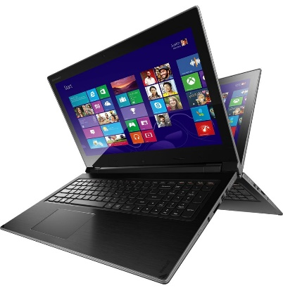
AMAZON LAPTOP SALE DASHBOARD
TOTAL SALES
205069552
TOTAL STOCK
1117785
AVAILABLE STOCK 1117785



TOP 3 BRANDS ANALYSIS BASED ON PRODUCT COUNT
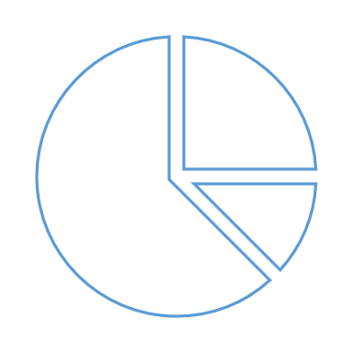

ROKC VS OTHERS
 | Percentage
ROKC | 20.23%
Others | 79.77%
DELL VS HP VS ROKC
DELL | 53.74%
HP | 26.04%
ROKC | 20.23%
DELL VS OTHERS
 | Percentage
DELL | 53.74%
Others | 46.26%
HP VS OTHERS
 | Percentage
HP | 26.04%
Others | 73.96%




STOCK AVAILABILITY BASED ON RAM CATEGORY

RAM CATEGORY STOCK
6 GB | 507 | 0.06%
12 GB | 8376 | 0.96%
4 GB | 59977 | 6.84%
8 GB | 211267 | 24.10%
32 GB | 260706 | 29.74%
16 GB | 335887 | 38.31%

TOTAL STOCK VS AVAILABLE STOCK

TOTAL STOCK VS AVAILABLE STOCK
 | Sum of Available Stock | Sum of Total Stock
 | 1117785 | 1289463

TOP 8 BRAND'S BASED ON TOTAL SALES

TOP 8 BRAND'S BASED ON TOTAL SALES
DELL | $65,767,751.08
ROKC | $21,135,115.43
Lenovo | $6,717,660.45
HP | $5,254,309.17
Acer | $1,997,258.03
MSI | $1,958,225.47
ASUS | $1,041,783.13
LG | $478,402.88

